Fig 7.19
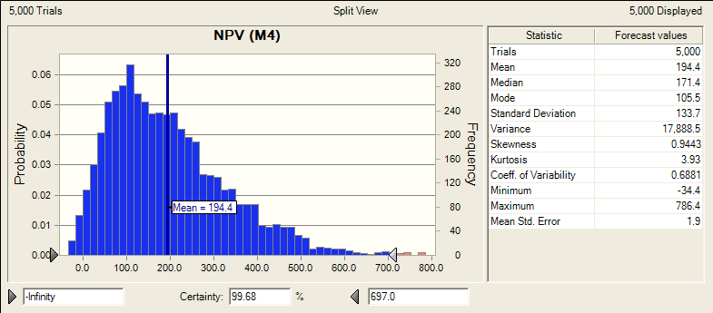
Strategy 1

Fig 7.20
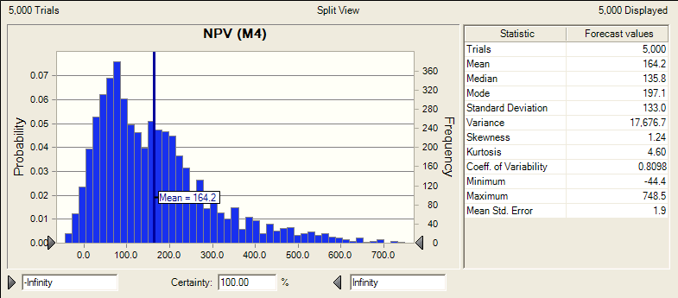
Strategy 2

Fig 7.21
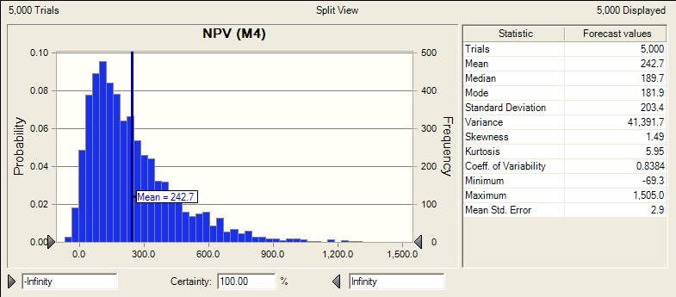
Strategy 3

Fig 7.22
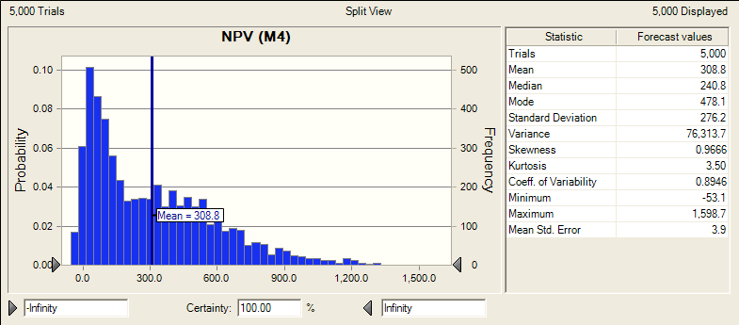
Strategy 4

Simulation results
Strategy 1
Fig 7.17

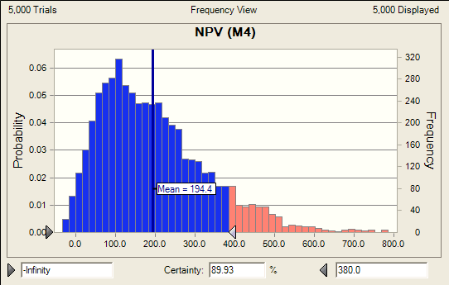
 |  |  | MEANS
 | Forecast: NPV (M4) |  |  |  | Sales Method
 | Percentile | Forecast values |  |  | Direct | License
 | 0% | -34.4 | Royalty Plan | Fixed | 194 | 243
 | 10% | 45.7 |  | Sliding | 164 | 309
 | 20% | 77.9
 | 30% | 106.2 | 90th Percentile
 | 40% | 136.8 |  |  | Sales Method
 | 50% | 171.4 |  |  | Direct | License
 | 60% | 206.5 | Royalty Plan | Fixed | 380 | 526
 | 70% | 246.4 |  | Sliding | 346 | 697
 | 80% | 300.8
 | 90% | 380.5
 | 100% | 786.4

Strategy 2
Fig. 7.19
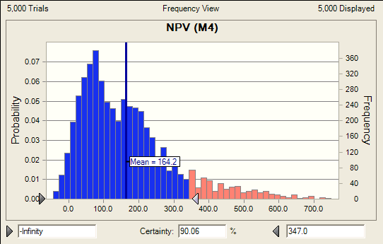
 | Forecast: NPV (M4)
 | Percentile | Forecast values
 | 0% | -44.4
 | 10% | 28.1
 | 20% | 54.7
 | 30% | 76.5
 | 40% | 101.4
 | 50% | 135.8
 | 60% | 170.4
 | 70% | 208.2
 | 80% | 253.7
 | 90% | 346.5
 | 100% | 748.5

Strategy 3
Fig. 7.18

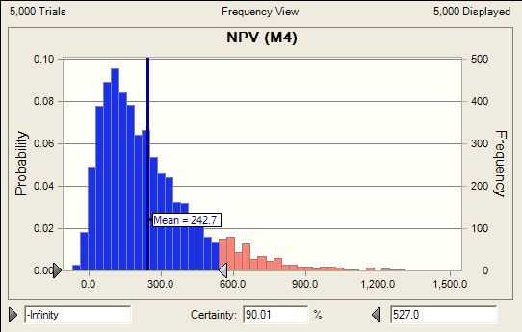
 | Forecast: NPV (M4)
 | Percentile | Forecast values
 | 0% | -69.3
 | 10% | 41.7
 | 20% | 77.4
 | 30% | 112
 | 40% | 148.8
 | 50% | 189.7
 | 60% | 241.3
 | 70% | 298.4
 | 80% | 378.9
 | 90% | 526.8
 | 100% | 1,505.00

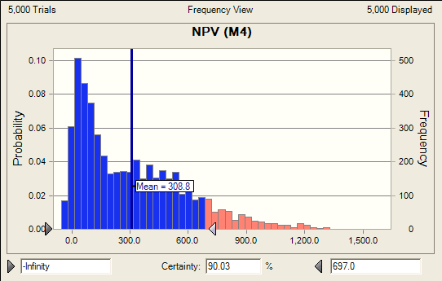
Strategy 4
Fig. 7.20

 | Forecast: NPV (M4)
 | Percentile | Forecast values
 | 0% | -53.1
 | 10% | 21.5
 | 20% | 55.9
 | 30% | 95.3
 | 40% | 151.1
 | 50% | 240.8
 | 60% | 340.1
 | 70% | 436.2
 | 80% | 542.7
 | 90% | 696.7
 | 100% | 1,598.70

